Xpath 이슈 발생시 대응법
컬럼명 | 컬럼 설명 | 참고 스크린샷(개발자 도구) | 비고
검색어입력Xpath | 검색어를 입력하는 Xpath
클릭Xpath | 클릭하는 Xpath
앵커Xpath | 해당 사이트 내 접속 성공 여부를 판단하는 Xpath |  | 주로 검색 건 수가 있는지 확인하는데 사용한다. 일부 사이트는 총 건 수를 제공하지 않는 곳도 있다.
게시물Xpath | 게시물 클릭해서 들어가는 Xpath |  | //*[@id='content']/div[3]/table/tbody/tr[;]/td[3]/a[1] 세미클론의 위치에 숫자가 들어가게 됨 (1~10번 게시물 반복 클릭 작업하기 위함)
페이지Xpath | 2페이지 클릭하는 Xpath |  | 20개만 수집하기 때문에 2페이지만 있어도 충분
게시물개수Xpath | 게시물의 개수를 확인하는 Xpath |  | 앵커Xpath와 같지만, 간혹 사이트 내에서 게시물 개수를 제공하지 않는 곳도 있기 때문에 다를 수 있다.
게시물목록Xpath | 게시물 내에서 채용공고 페이지로 돌아가기 위한 목록 버튼 Xpath | 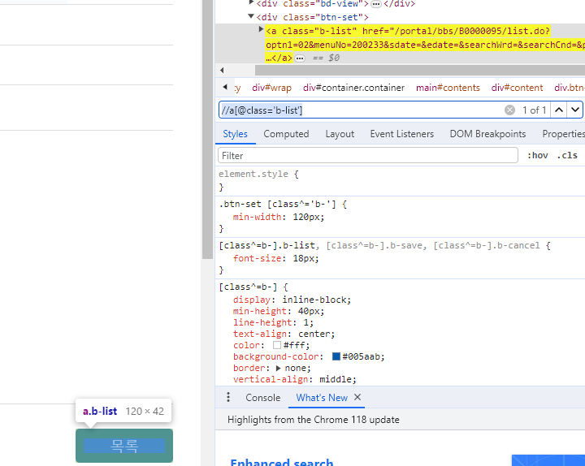 | 뒤로 가기 버튼 클릭시 입력된 검색어가 초기화 되는 경우가 많아 목록 버튼을 뒤로 가기 버튼 대신 사용 중
게시물_사업명Xpath | 게시물_ 로 시작하는Xpath 사이트 별로 양식이 달라 없는 경우가 많다. Xpath가 없는 경우 빈값 또는 X를 입력하면 된다. Xpath가 없는 경우에는 게시물_본문Xpath를 사용하여 Xpath가 없는 양식을 수집한다.
게시물_신청기간Xpath
게시물_근무지Xpath
게시물_임금조건(보수)Xpath
게시물_본문Xpath |  | 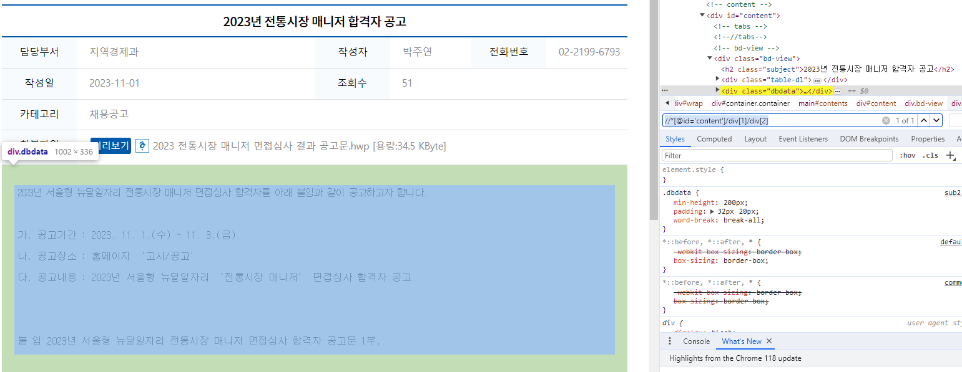 | 예시로 사용 중인 용산구청 내에는 게시물 본문 안에 수집 정보가 담겨 있어 본문을 수집한 후 사업명, 신청기간, 근무지, 임금조건, 등록일, 문의처 내용을 추출한다.
게시물_등록일Xpath
게시물_문의처Xpath
성공여부 | 성공여부 판단하는 컬럼 |  | 실패 사유로 어떤 이슈인지 판단

Xpath 수집하는 방법 | 스크린샷
1. 크롬으로 수집할 Xpath가 존재하는 페이지 접속 | 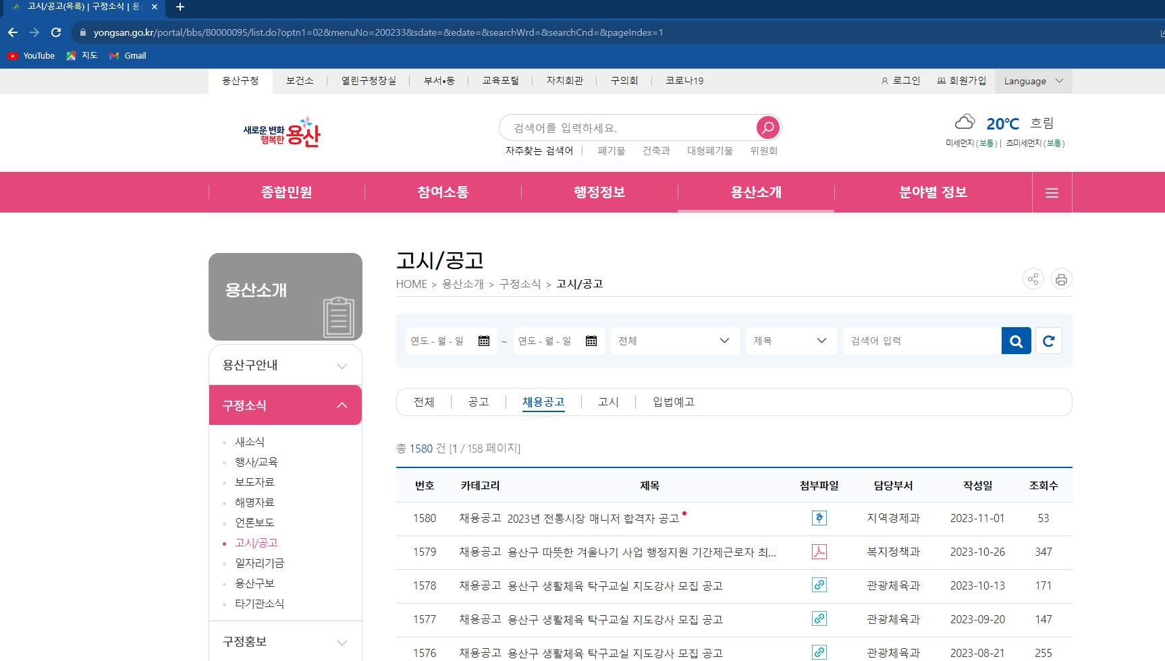
2. 개발자 도구 버튼(F12) 입력 | 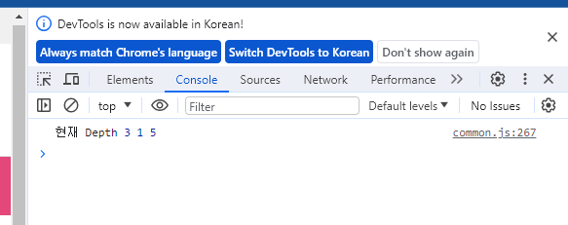
3. 요소 탐색하는 버튼 클릭 (F12 입력 없이 [Ctrl + Shift + C] 입력으로 대체 가능)
4. 찾고자 하는 Xpath 클릭 | 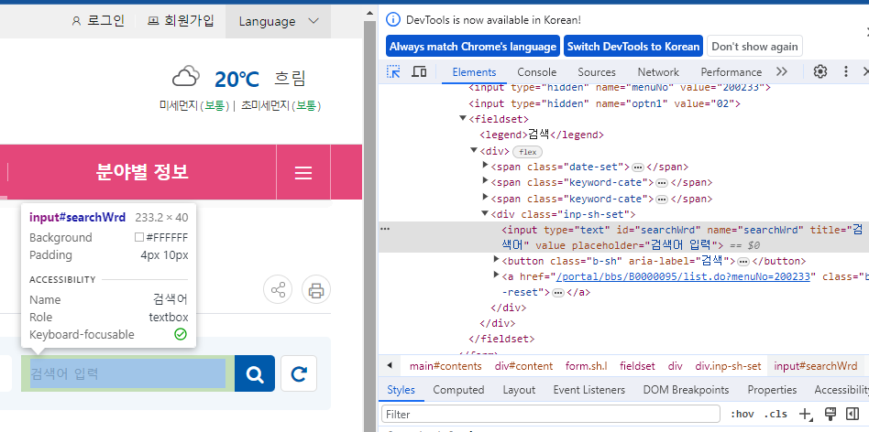
5. 선택된 Elements에서 오른쪽 버튼 눌러서 Xpath 수집 | 